Energy_item
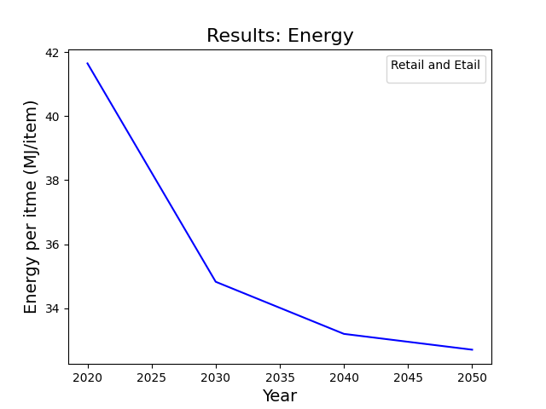
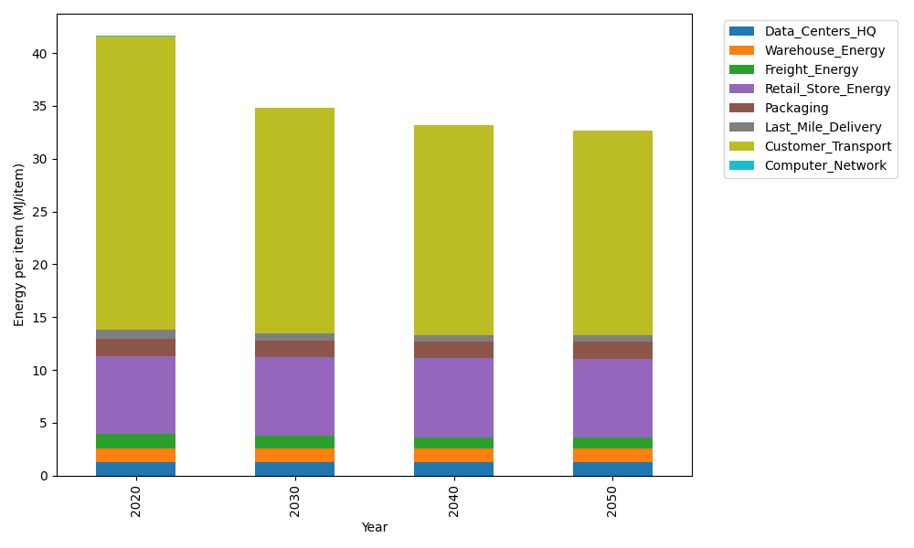
Years | Data_Centers_HQ | Warehouse_Energy | Freight_Energy | Retail_Store_Energy | Packaging | Last_Mile_Delivery | Customer_Transport | Computer_Network | Total
2020 | 1.2375150464 | 1.341704702 | 1.4125710072 | 7.3044839002 | 1.6940551041 | 0.81619388608 | 27.800127626 | 0.043095905011 | 41.649747177
2030 | 1.2352664487 | 1.3270812097 | 1.1862911218 | 7.4277871945 | 1.6408352221 | 0.64190695419 | 21.328356684 | 0.038310862219 | 34.825835697
2040 | 1.234927167 | 1.3248747309 | 1.0858070911 | 7.4463919234 | 1.6328050922 | 0.59359581776 | 19.841309775 | 0.037588866718 | 33.197300464
2050 | 1.2351867915 | 1.3265631682 | 1.0716216365 | 7.4321552499 | 1.6389498922 | 0.59471064257 | 19.365946143 | 0.038141350676 | 32.703274875

CO2_item
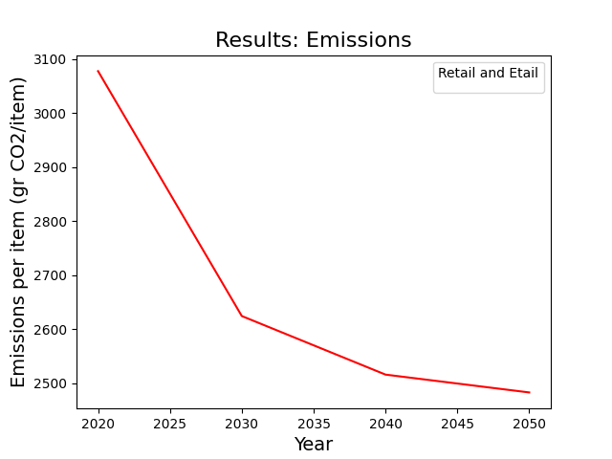
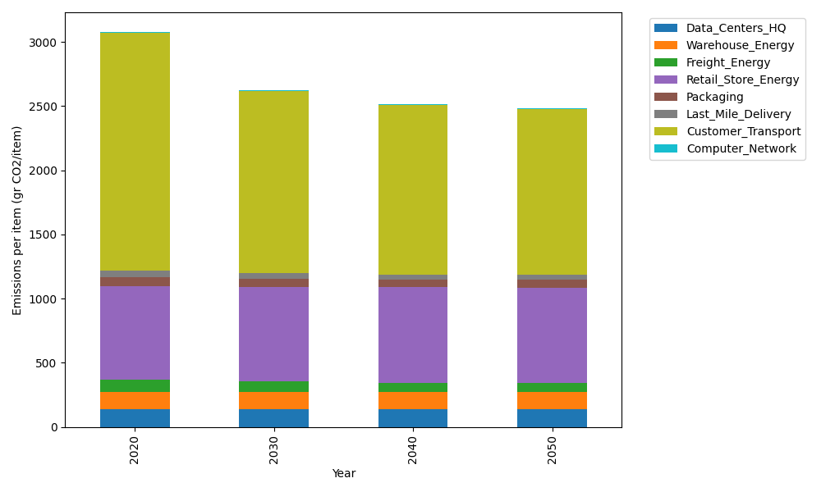
Years | Data_Centers_HQ | Warehouse_Energy | Freight_Energy | Retail_Store_Energy | Packaging | Last_Mile_Delivery | Customer_Transport | Computer_Network | Total
2020 | 140.16041816 | 133.94113517 | 96.202491876 | 728.44156535 | 65.760021002 | 56.026101364 | 1849.939071 | 7.2692795898 | 3077.7400835
2030 | 139.86373157 | 132.47482679 | 80.754406273 | 740.73801859 | 60.45608516 | 44.062501196 | 1419.2798278 | 6.4621538572 | 2624.0915512
2040 | 139.81896575 | 132.25358152 | 73.869613957 | 742.59338003 | 59.655796014 | 40.746273676 | 1320.3253836 | 6.3403699625 | 2515.6033645
2050 | 139.85322136 | 132.42288238 | 72.886126621 | 741.17362405 | 60.268191679 | 40.822798738 | 1288.6926599 | 6.4335611915 | 2482.553066

